Introduction
Position | Search Engine Growth Hacker | Task1: Keyword Research
Required mindsets | Strategic Thinking, Data driven decision making, Marketing Outlook | You are given hypothetical personas of decision makers
 |  | You can come up with keywords for search engine marketing

About Growth Hacker | Growth Hackers help startups reduce CAC, increase LTV and thus make new ideas spread. New products need a different approach as compared to marketing incubent. Traditional Sales and Marketing teams fail to sell disruptive products. This led to a new subject called Growth Hacking. Search Engine Marketing is exciting because it lets you execute intent based marketing- you get to target users who are already looking for something | Task2: CPC Ad Copywriting
 |  | You are given a hypothetical startup into Enterprise SaaS
 |  | You are asked to design CPC Ads for this startups
 |  | This helps you appreciate the role of creativity in Search Engine Growth Hacking

 |  | Why these tasks
Enterprise SaaS | Enterprise SaaS usually has long sales cycles. Smart growth hacking can sure that the value proposition reaches the decision makers. This then opens the doors for Sales. A good Enterprise SaaS growth hacker not only opens door, but lays a great brand foundation before the first sales call | In order to succeed as a Search Engine Growth Hacker, three qualities are important- keyword research, copywriting, creative concept ideation. These two tasks assess your ability to understand structures and execute them with crisp and action driving articulation. This is like asking a mechanical engineer to design a wheel for a car- so you get a feel of what this job entails.

About 12thwonder
12th Wonder is a team of international technology problem solvers with a knack for automation and digitization.

We offer enterprise-grade software products and develop bespoke software so our clients can build, connect, and operate at maximum efficiency. We tailor-make applications and products with careful precision to tackle your biggest needs.
 |  | If hired, what would you be taught
Website: | https://12thwonder.com/ | All Growth Hackers are trained on the complete Business stack, irrespective of the specialization, so everyone has a holistic understanding of a startups. The EIRs also go through socio-psychological learning models, level-5 leadership and storytelling.

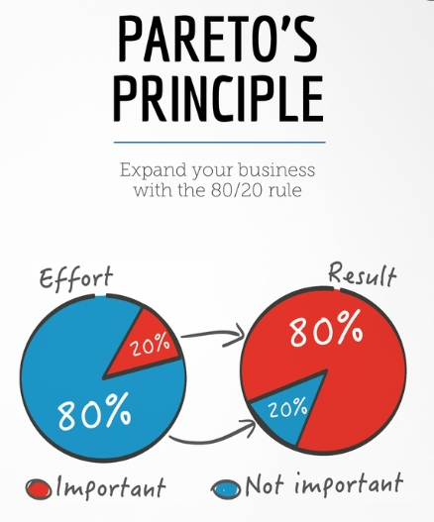

 |  | Submission
 |  | Step1: You may create a copy of this entire sheet. Step2: You may read all the subsheets carefully Step3: You may change the sharing permissions to "anyone with link can view". Step4: You may submit the link to your Google Sheet through the Google form (link is given below)

 |  | Submission Link | https://forms.gle/BCZkL3oQTTsaQo486

 |  | The tasks are quite easy, provided you follow the Pareto's law: spend 80% of the time reading and understanding, 20% time executing the task

